Metric (2)
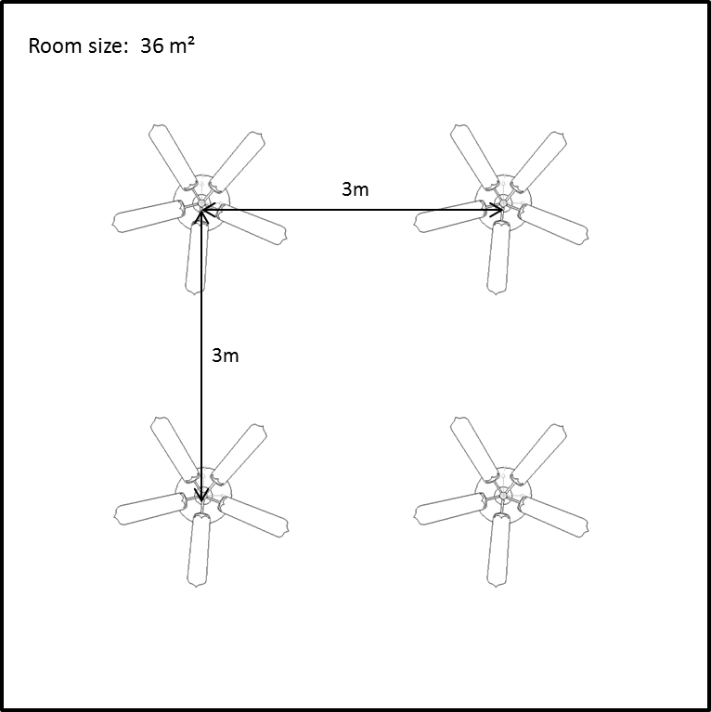

CALCULATE NUMBER OF FANS NEEDED PER ROOM

Introduce your length room size (m): |  | 7.000
Introduce your width room size (m): |  | 6.000

Total size room (m²): |  | 42.000

Do you have Air Conditioner in the room? |  | N
 | (Enter Y for yes or N for no)

What is your fan size? (cm): |  | 132

Number of Hunter Fans suggested: |  | 5

Fan blades should be installed between 2.30 meters to 3.05 meters from the floor.
Ceiling Fans should be installed between 3.05 meters centers.

